Order
LOVELAB — [CLIENT NAME] [PACK #]
Date: [DATE] | Packaging: [COLOR] | Order by: [NAME]

NO. | QUANTITY | COLLECTION | CARAT (CT) | SHAPE | SETTING | COLOR | SIZE | MATERIAL | COLOR CORD | UNIT PRICE (EUR) | TOTAL (EUR) | PRODUCT PHOTO | CERTIFICATE
1 | 1 | SHAPY SHINE FANCY | 0.3 | Marquise | Prongs | White | M | Shine | Red | 100 | 100 | 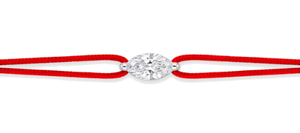 | IGI
2 | 1 | SHAPY SHINE FANCY | 0.3 | Pear | Prongs | White | M | Shine | Bordeaux | 100 | 100 | 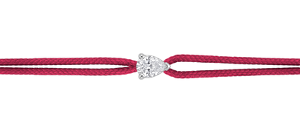 | IGI
3 | 1 | SHAPY SHINE FANCY | 0.3 | Oval | Prongs | Yellow | M | Shine | Gold | 100 | 100 | 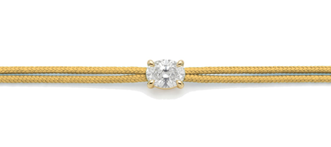 | IGI
4 | 1 | SHAPY SHINE FANCY | 0.5 | Emerald | Bezel | White | M | Shine | Black | 155 | 155 | 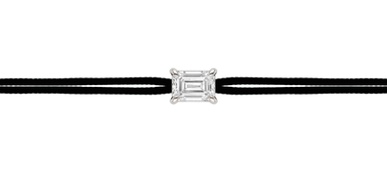 | IGI
5 | 1 | SHAPY SHINE FANCY | 0.3 | Heart | Bezel | White | M | Shine | Red | 100 | 100 | 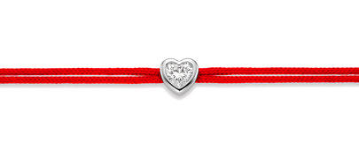 | IGI
6 | 1 | SHAPY SHINE FANCY | 0.5 | Heart | Bezel | White | M | Shine | Navy Blue | 155 | 155 | 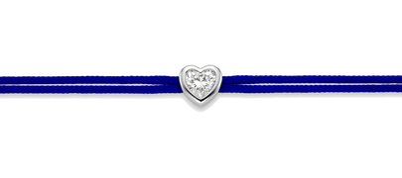 | IGI
7 | 1 | SHAPY SHINE FANCY | 0.3 | Emerald | Bezel | White | M | Shine | Black | 100 | 100 | 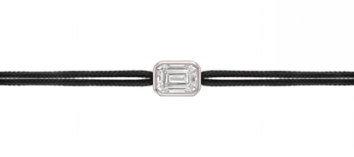 | IGI
8 | 1 | MATCHY FANCY | 0.6 | Emerald | Prongs | White | M | Nylon | Black | 200 | 200 | 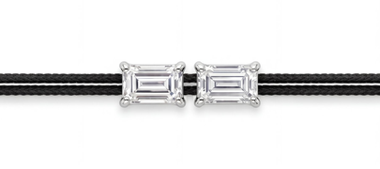 | IGI
9 | 1 | MATCHY FANCY | 1 | Pear | Prongs | YY | M | Nylon | Bordeaux | 310 | 310 | 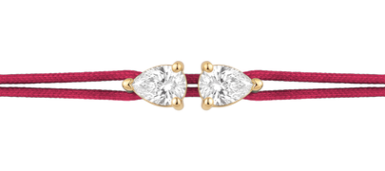 | IGI
10 | 1 | MATCHY FANCY | 0.6 | Pear | Prongs | YY | M | Nylon | Navy Blue | 200 | 200 | 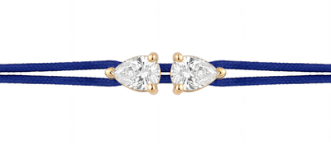 | IGI
 |  |  |  |  |  |  |  |  |  | FINAL TOTAL (EUR) | 1520

